Function modelling
Function carrier | Action | Object of the function | Category / rank | Performance Level | Task | Function rank | Function point | Sum per function carrier
permanent magnets | move | slide | U | N |  | B | 5 | 5
rails | hold | slide | U | N |  | B | 5 | 5+3+1 = 9
rails | hold | permanent magnets | U | N |  | A1 | 3
rails | hold | adhesive | U | E | How to reduce the interaction "hold" between rails and adhesive? | A3 | 1
butt connectors | hold | rails | U | N |  | A1 | 3 | 3
adhesive | holds | cover | U | E | How to reduce the interaction "hold" between adhesive and cover? | A2 | 2 | 2
cover | stops | dust, liquids, debris | U | I | How the cover can better protect from dust, liquids and debris? | Ad | 3 | 3
slide | guides | dust, liquids, debris | H |  | How to prevent the slide from pushing dust, liquids, and debris in front of itself? | H
dust, liquids, debris | damage | rails | H |  | How to prevent dust, liquids and debris from damaging the rails? | H
dust, liquids, debris | damage | butt connectors | H |  | How to prevent dust, liquids and debris form damaging the butt connectors? | H

U = useful
H= harmful
N = normal
E = excessive (but useful)
I = Insufficient (but useful)

FM graphically
system element
target
useful function - normal
supersystem element
useful function - insufficient
usefulfunction - excessive
harmful function
system element
target
useful function - normal
super system element
useful function - insufficient
useful function - exessive
harmful function
B
Ad
A1
basic function
additional function
auxillary function rank 1

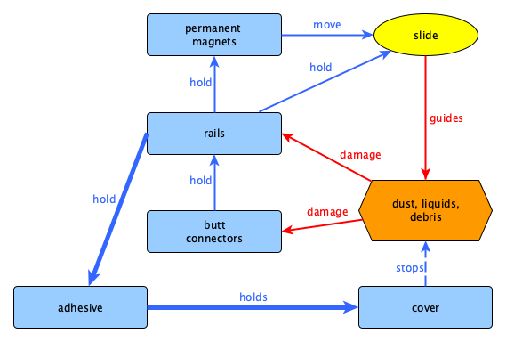
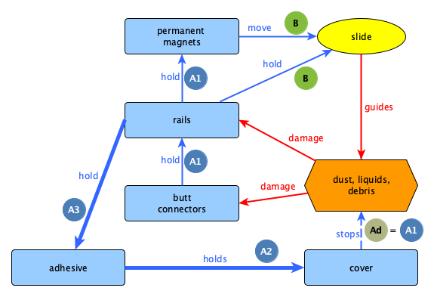
Tasks
1) How to prevent the slide from pushing dust, liquids, and debris in front of itself?
2) How to prevent dust, liquids and debris from damaging the rails?
3) How to prevent dust, liquids and debris form damaging the butt connectors?
4) How can the cover better stop dust, liquids, and debris?
5) How to reduce the holding of the adhesive in case of disassembly?
5.1) How to reduce the interaction "hold" between rails and adhesive?
5.2) How to reduce the interaction "hold" between adhesive and cover?
Tasks
1) How to prevent the slide from pushing dust, liquids, and debris in front of itself?
2) How to prevent dust, liquids and debris from damaging the rails?
3) How to prevent dust, liquids and debris form damaging the butt connectors?
4) How can the cover better stop dust, liquids, and debris?
5) How to reduce the holding of the adhesive in case of disassembly?
5.1) How to reduce the interaction "hold" between rails and adhesive?
5.2) How to reduce the interaction "hold" between adhesive and cover?

Function-cost-diagram
Example for a function-over-cost-diagram
 | permanent magnets |  | rails |  | butt connectors |  | adhesive |  | cover
6.8 | 5.6 | 9.5 | 10.0 | 7.8 | 3.3 | 10.0 | 2.2 | 3.5 | 3.3 | 0.0 | 0.0 |  |  | 0.0 | 0.0 | 0.0 | 0.0 | 0.0 | 0.0 | 0.0 | 0.0 | 0.0 | 0.0
Function carrier | Cost | Cost norm. | Function | Function norm.
permanent magnets | 25.00 | 6.8 | 5.00 | 5.6
rails | 35.00 | 9.5 | 9.00 | 10.0
butt connectors | 29.00 | 7.8 | 3.00 | 3.3
adhesive | 37.00 | 10.0 | 2.00 | 2.2
cover | 13.00 | 3.5 | 3.00 | 3.3
 |  | 0.0 |  | 0.0

 |  | 0.0 |  | 0.0 | 0.0001 | 5
 |  | 0.0 |  | 0.0 | 1 | 5
 |  | 0.0 |  | 0.0 | 2 | 5
 |  | 0.0 |  | 0.0 | 3 | 5
 |  | 0.0 |  | 0.0 | 4 | 5
 |  | 0.0 |  | 0.0 | 5 | 5
 |  | 0.0 |  | 0.0 | 6 | 5
 |  | 0.0 |  | 0.0 | 7 | 5
 |  | 0.0 |  | 0.0 | 8 | 5
 |  | 0.0 |  | 0.0 | 9 | 5
 |  | 0.0 |  | 0.0 | 10 | 5
 |  | 0.0 |  | 0.0
 |  | 0.0 |  | 0.0
 |  | 0.0 |  | 0.0
 |  | 0.0 |  | 0.0
 |  | 0.0 |  | 0.0
 |  | 0.0 |  | 0.0
 |  | 0.0 |  | 0.0
 |  | 0.0 |  | 0.0
 |  | 0.0 |  | 0.0
Tasks out of value analytic view:
1) How can the cost of the rails be reduced?
2) How can the cost of the permanent magnets be reduced?
3) How can the functionality of the cover be improved?
4) How can the butt connectors be eliminated?
5) How can the adhesive be eliminated?
 |  | 0.0 |  | 0.0
 |  | 0.0 |  | 0.0
 |  | 0.0 |  | 0.0

Trimming-modell graphically
system element
target
useful function - normal
super system element
useful function - insufficient
useful function - exessive
harmful function

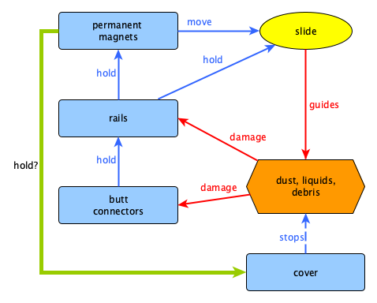

Trim Exercises:
1) How can the permanent magnets hold the cover in place?
Possible Solutions:
For 1) Magnetic cover

